Start Here
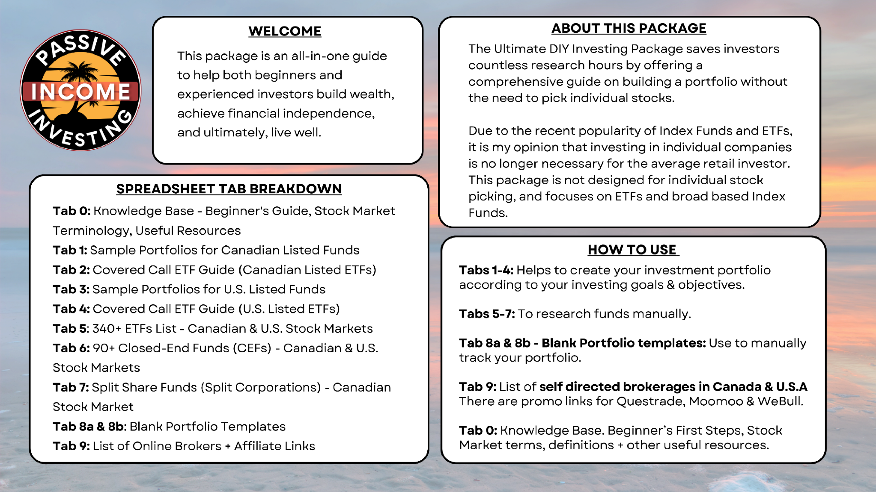
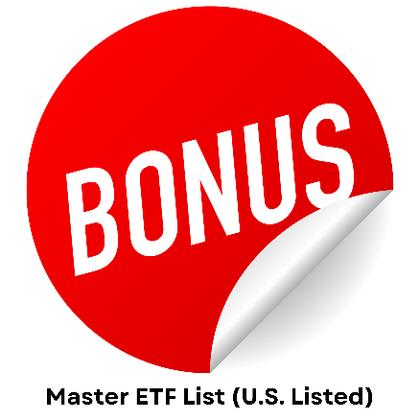
Quick Access
 | Tab 0 - Knowledge Base
 | Tab 1 - Sample Portfolios - Canada
 | Tab 2 - Covered Call ETF Guide - CAD
 | Tab 3 - Sample Portfolios - U.S.A
 | Tab 4 - Covered Call ETFs Guide - U.S.A
 | Tab 5 - 340+ EFTs List CAD & U.S.A
 | Tab 6 - 90 Closed End Funds
 | Tab 7 - Split Share Funds
 | Tab 8a - Blank Portfolio #1
 | Tab 8b - Blank Portfolio #2
 | Tab 9 - Brokers List: CAD & U.S.A
 | Tab 10 - BONUS Top Performing U.S. Listed ETFs (YTD 2025)
 | Tab 11 - BONUS Top Performing CAD Listed ETFs (YTD 2025)

 |  | Disclaimer: The Ultimate DIY Investing Package is for informational and educational purposes only and does not constitute investment advice. Adriano Starinieri is not registered to provide investment advice and as such does not provide recommendations. The Sample Portfolios are not recommendations and Adrian's "Top Funds to Consider" are simply his opinions. Those looking for investment advice should seek out a registered professional. Adriano is not responsible for investment actions taken by those who purchased this product.
 |  | The Ultimate DIY Investing Package assists DIY investors in the Canadian (TSX) or U.S. (NYSE/NASDAQ) stock markets to build portfolios based on their growth, income, or dividend growth objectives.

 |  | The Ultimate DIY Investing Package helps DIY investors in the Canadian (TSX) and U.S. (NYSE/NASDAQ) stock markets build portfolios tailored to their growth, income, or dividend growth objectives.

0 - Knowledge Base
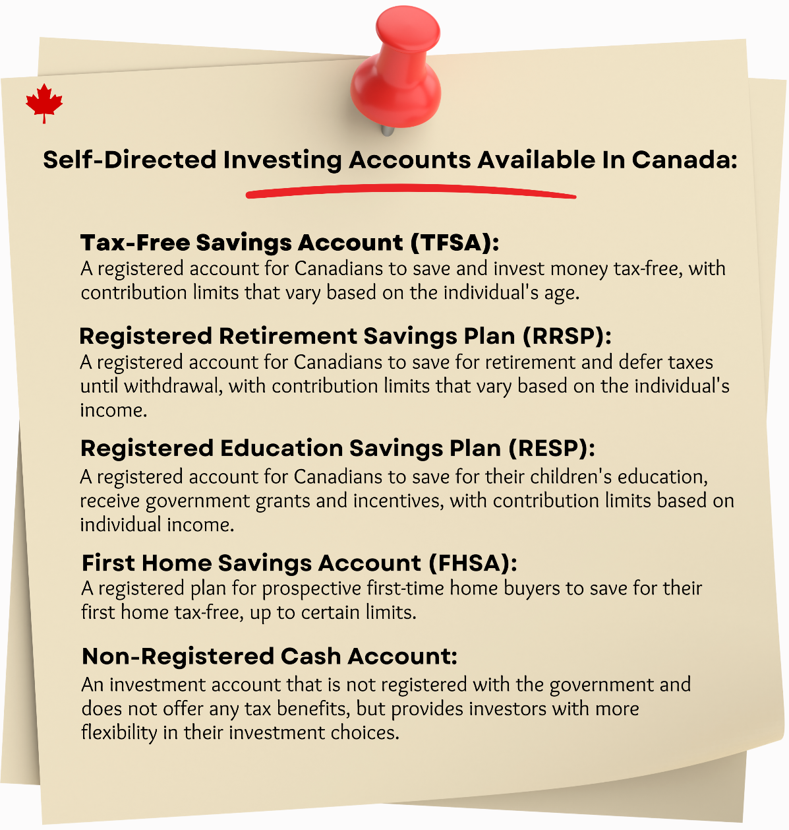
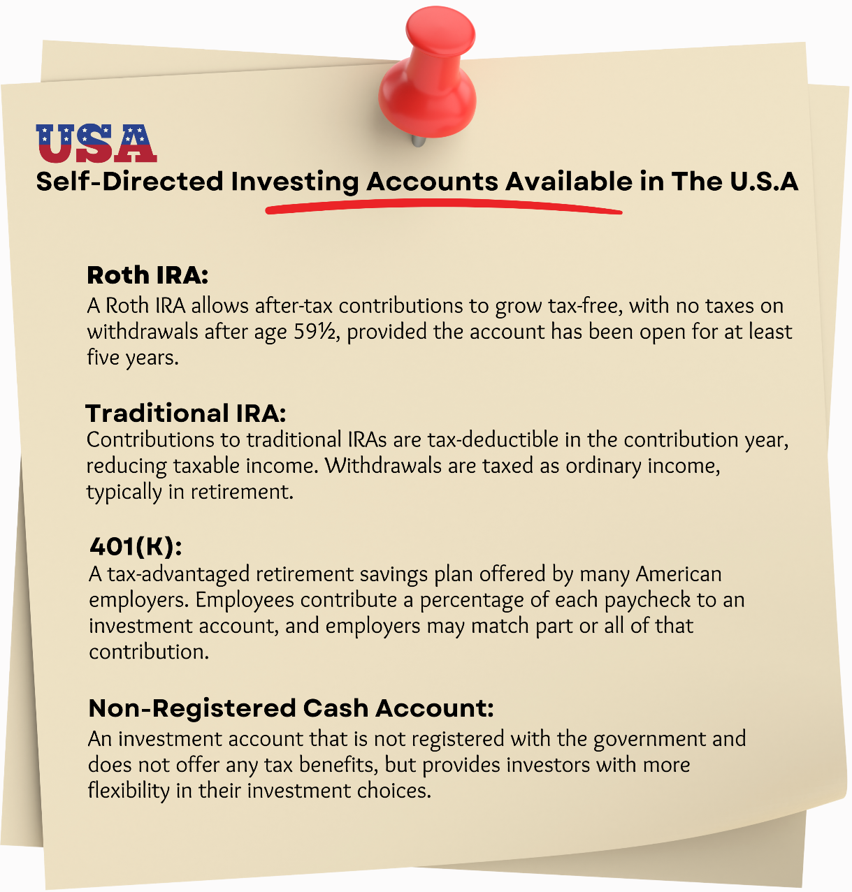
 |  | Stock Market Terminology: The Essentials, Alphabetized.
 |  | Term | Definition
 |  | Ask Price | The lowest price a seller is willing to accept for a stock.
 |  | Asset Allocation | Dividing a portfolio among different asset classes based on the investor's risk tolerance, time horizon, and goals.
 |  | Bear Market | A market in which stock prices are falling, characterized by pessimism and negative investor sentiment.
 |  | Bid Price | The highest price a buyer is willing to pay for a stock.
 |  | Blue Chip Stock | A stock of a large, stable company with a history of consistent earnings and a strong reputation.
 |  | Bonds | A fixed income investment where an investor lends money to an issuer in exchange for interest payments and repayment of principal at maturity.
 |  | Bull Market | A market in which stock prices are rising, characterized by optimism and positive investor sentiment.
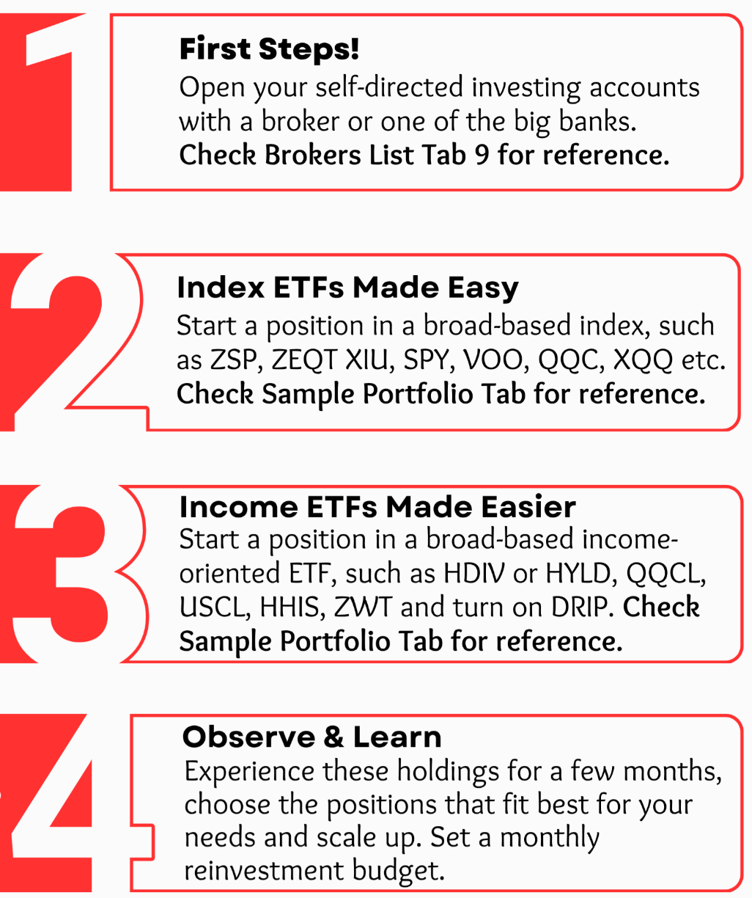
 | DIY Investor: Beginner’s Guide | Capital Gain | The profit made from selling an asset for more than its purchase price. | DIY Investor: Beginner’s Guide
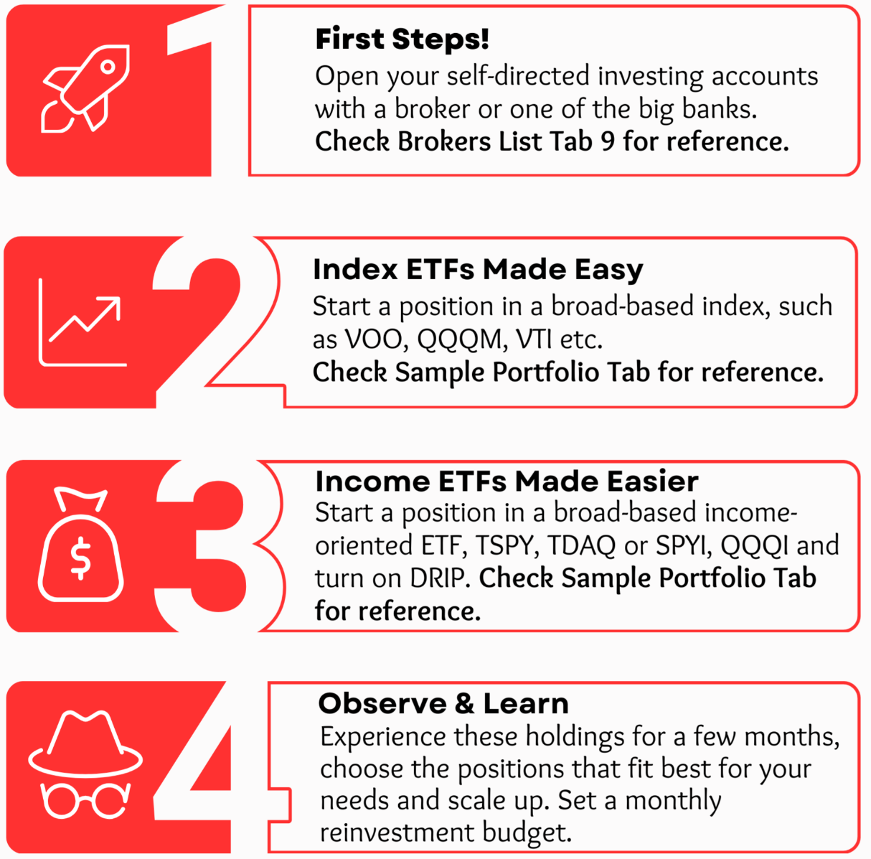
 |  | Capital Loss | The loss incurred from selling an asset for less than its purchase price.
 |  | Certificates of Deposit (CD) | A time deposit with a bank or financial institution that pays a fixed interest rate for a specified term.
 |  | Closed End Funds | Funds managed by professional investment managers, traded on a stock exchange, with share prices that can differ from the net asset value.
 |  | Compound Interest | Interest calculated on the initial principal and accumulated interest from previous periods.
 |  | Covered Call ETF | An exchange traded fund using covered call writing to generate income for investors, offering steady income, reduced volatility, and some downside protection.
 |  | Covered Calls | An options trading strategy where an investor sells a call option on a stock they already own.
 |  | Deflation | The general decrease in prices of goods and services over time, increasing the purchasing power of money.
 |  | Diversification | Investing in a variety of assets or sectors to reduce overall portfolio risk.
 |  | Dividend | A portion of a company's profits distributed to its shareholders.
 |  | Distribution Payment | Distributions from the income and gains earned by the underlying investments of the fund.
 | Useful Links & Resources | Dollar Cost Averaging (DCA) | Regularly buying a fixed dollar amount of an investment, regardless of its price, to lower average cost per share and reduce market fluctuation impact. | Useful Links & Resources
 |  | Exchange Traded Funds (ETFs) | Investment funds that trade on a stock exchange, typically tracking an underlying index or benchmark.
 |  | GIC (Guaranteed Investment Certificate) | A low risk investment option offered by Canadian financial institutions, guaranteeing a fixed rate of return over a specified period.
 |  | High Interest Savings Account (HISA) | A type of savings account that typically pays a higher interest rate than a standard savings account.
 |  | Index | A benchmark used to measure the performance of a group of stocks.
 |  | Index Fund | An investment fund that tries to copy the performance of a specific market index.
 |  | Inflation | The general increase in prices of goods and services over time, reducing the purchasing power of money.
 |  | Interest Rate | The amount of money a lender charges a borrower for the use of their money, expressed as a percentage of the principal amount.
 |  | Market Cap (Market Capitalization) | The total value of a company's outstanding shares of stock.
 |  | Market Order | An order to buy or sell a stock at the current market price.
 |  | Mutual Funds | A professionally managed investment vehicle pooling money from many investors to purchase a diversified portfolio of assets.
 |  | Options | Financial instruments giving the holder the right to buy or sell an underlying asset at a specified price within a certain time period.
 |  | P/E Ratio (Price Earnings Ratio) | The ratio of a company's share price to its earnings per share.
 |  | Portfolio | A collection of investments held by an individual or institution.
 |  | Price to Earnings Ratio (P/E) | The ratio of a company's share price to its earnings per share, indicating how much investors are willing to pay for each unit of earnings.
 |  | Puts | Contracts giving the owner the right to sell an underlying asset at a set price and time.
 |  | Real Estate Investment Trusts | Investment funds that own and manage income producing real estate properties.
 |  | Recession | A period of economic decline, usually defined as two consecutive quarters of negative growth in GDP.
 |  | Resistance | A price level at which a stock has had difficulty moving above in the past.
 |  | Return | The amount of money gained or lost on an investment, usually expressed as a percentage of the initial investment.
 |  | Short Selling | A trading strategy involving selling a borrowed security expecting its price to drop, aiming to buy it back later at a lower price.
 |  | Split Funds | Investment funds structured with two classes of shares, the "Class A or capital shares" and the "Preferred shares."
 |  | Spread | The difference between the bid and ask prices.
 |  | Stock | A share of ownership in a company, entitling the holder to a portion of the company's profits and assets.
 |  | Stop Order | An order to buy or sell a stock when it reaches a specific price.
 |  | Support | A price level at which a stock has had difficulty moving below in the past.
 |  | VIX | An index measuring the expected volatility of the S&P 500 index over the next 30 days, reflecting market sentiment and uncertainty.
 |  | Volatility | The measure of how much the price of an asset fluctuates over time.
 |  | Volume | The number of shares of a stock that are traded in a given time period.

Back To Top

9 - Brokers List
 | Back to start here

 |  | Compare Discount Broker Features | Compare Canadian Bank's Borker Features | Compare USA Borker Features

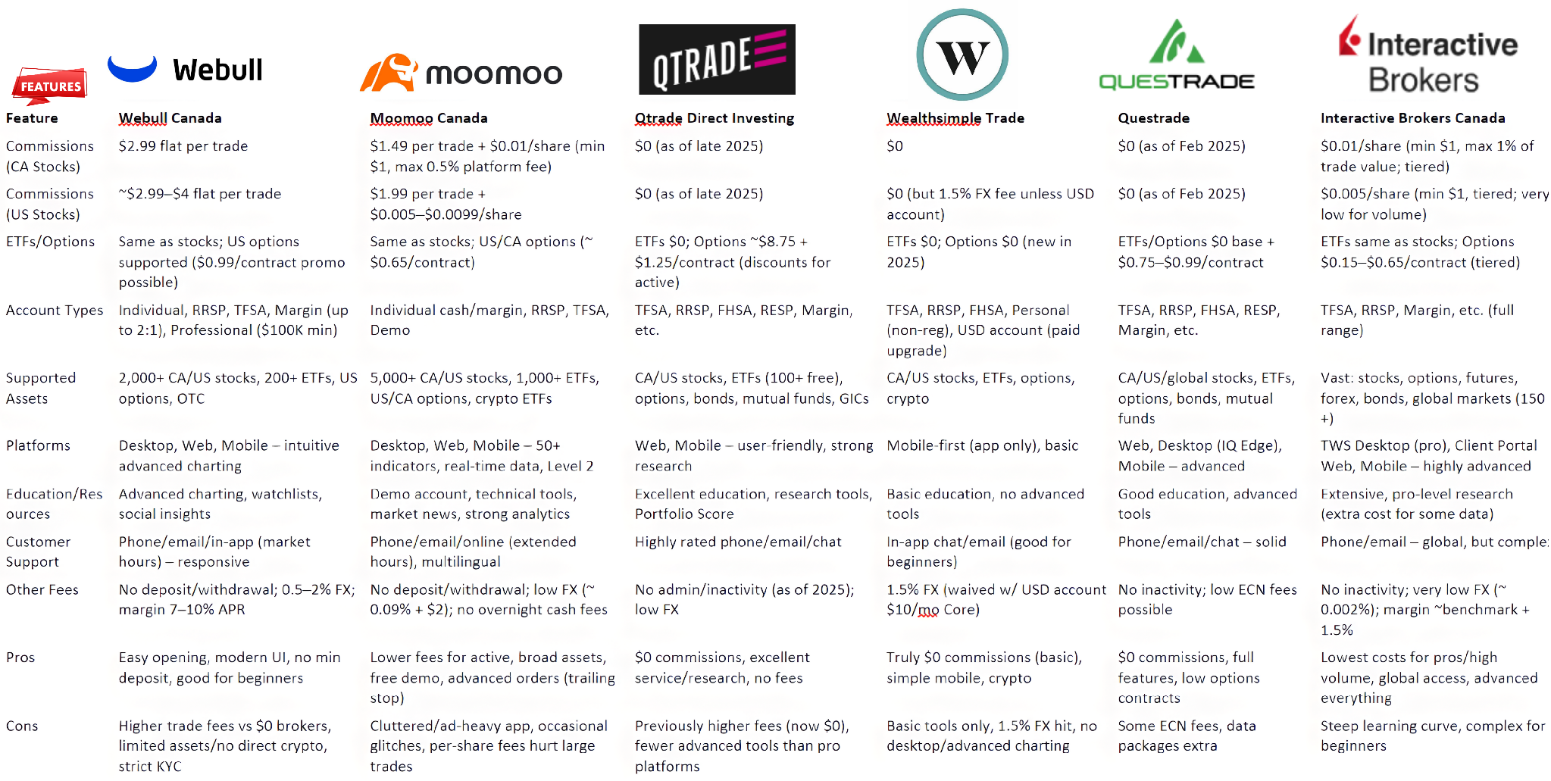
 | Back To Top
Compare Discount Broker Features:

#VALUE!

 | Back To Top
Compare Canadian Banks' Broker Features:

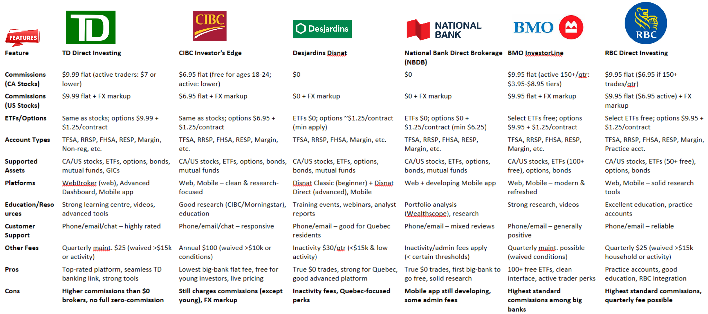

 | Back To Top
Compare USA Broker Features:
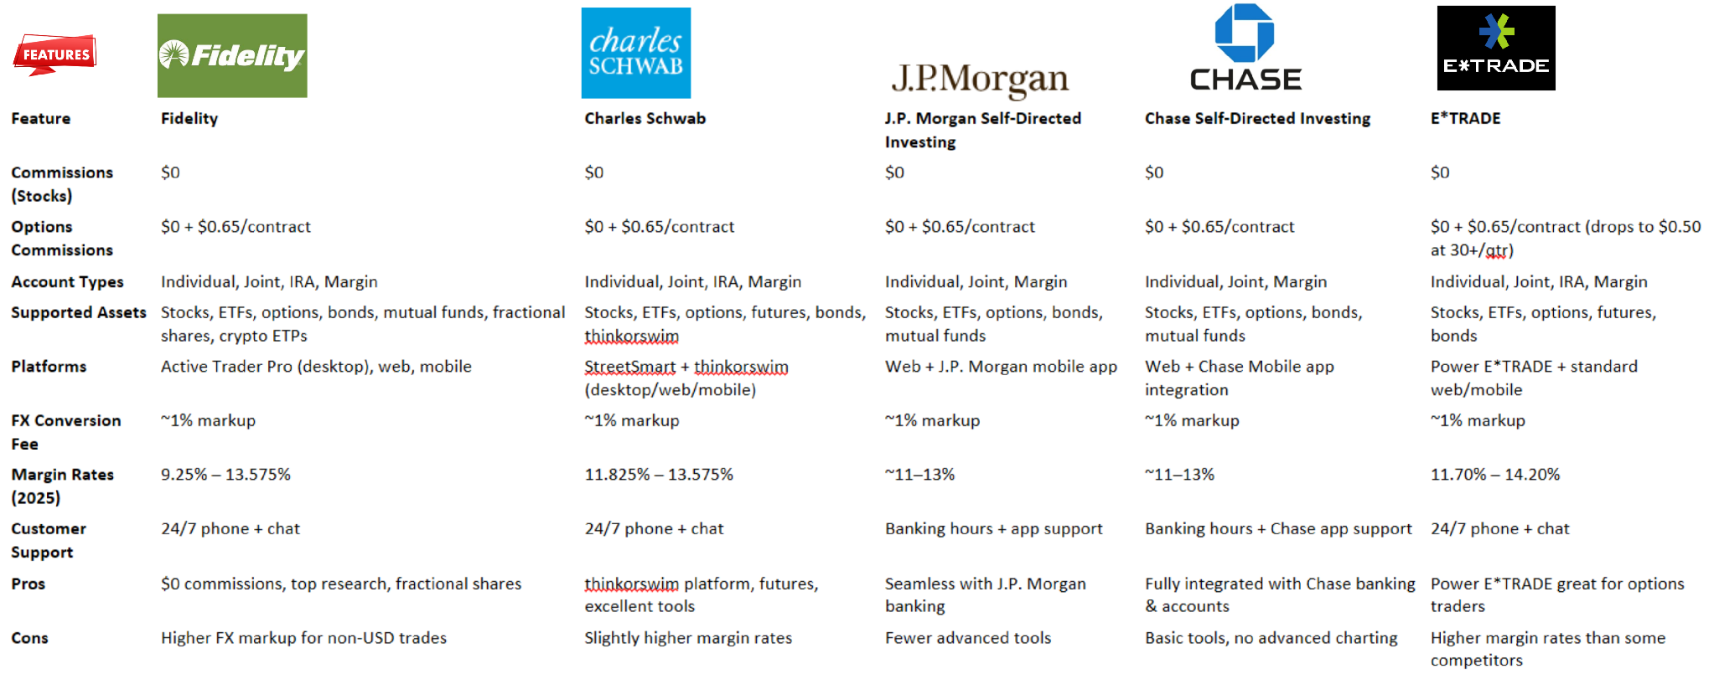

Back Top Top

